Sheet1
S.NO. | Old Screen | Screen Name | Changes | New Screen | Correction Point | Status

1 | 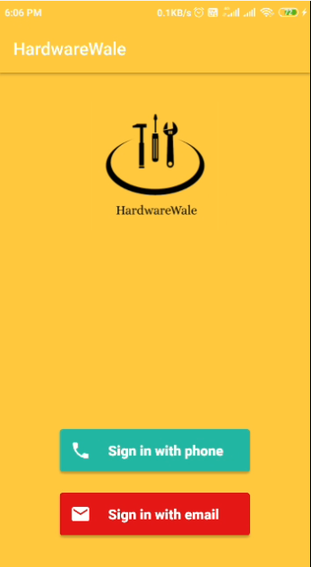 | Login Screen | 1. Login buttons color. 2.Toolbar text color. | 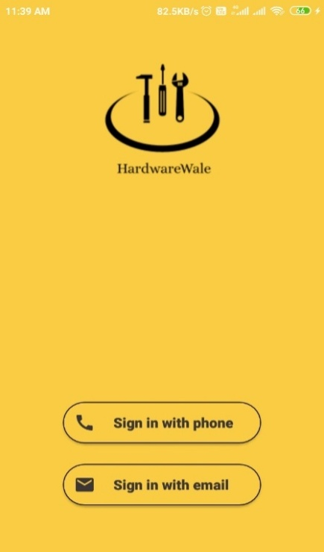 | 1. Change color of login buttons. 2.Remove Toolbar from this screen | Done

2 | 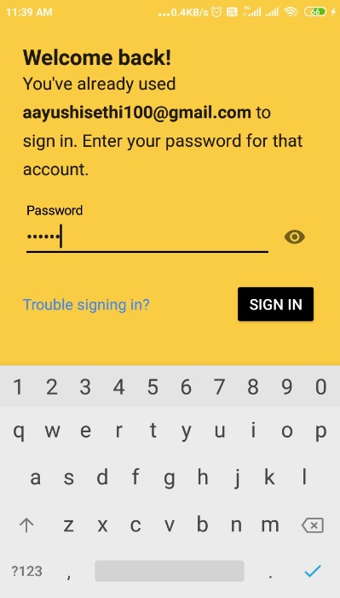 | Welome Screen | 1. Change in Welcome back text | 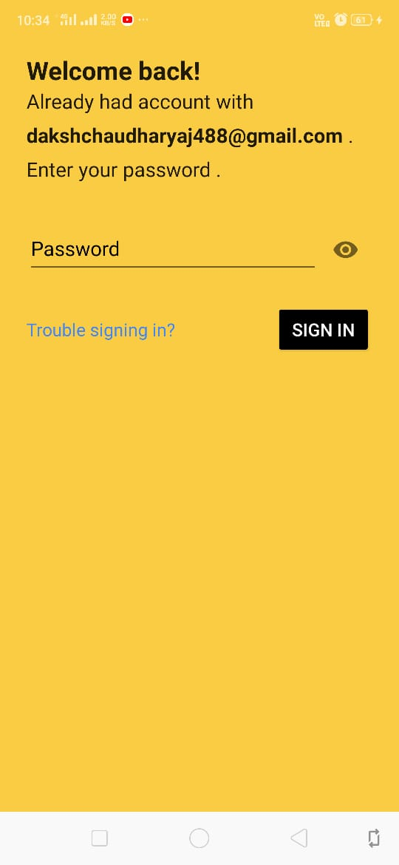 | 1. Text replaced with "Already had account with email. Enter your password." | Done

3 | 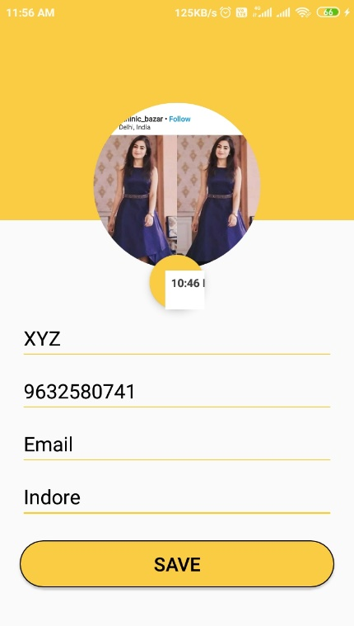 | Create Profile Screen | 1. No mandatory fields show 2. No screen name 3. Change in Save button | 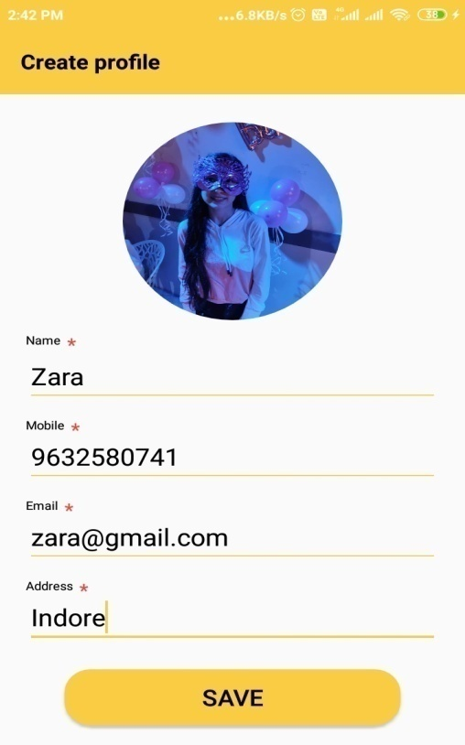 | 1. Show screen name on top of the screen 2. Show mandatory icon for every fields 3. Remove border of save button | Done

4 | 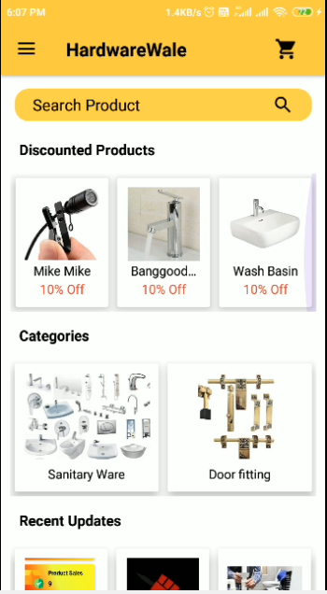 | Home Screen | 1. Invisible scroll bars 2. No next card shown 3. No counter on Cart icon | 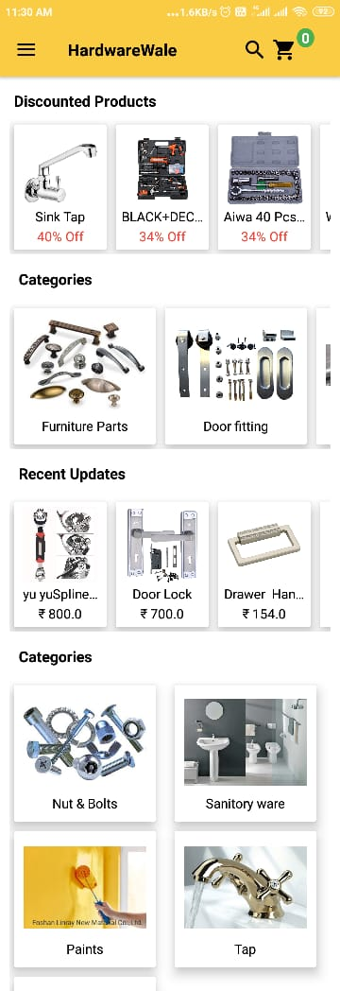 | 1. Show scroll bar 2. Show half card 3. Counter on Cart icon 4. Add search icon in toolbar | Done

5 | 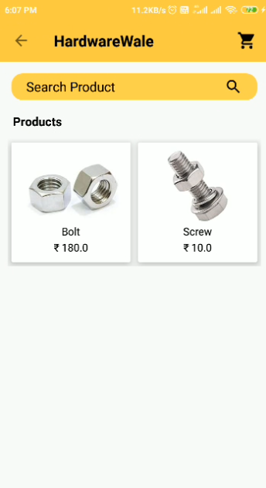 | Product Screen | 1. No screen name | 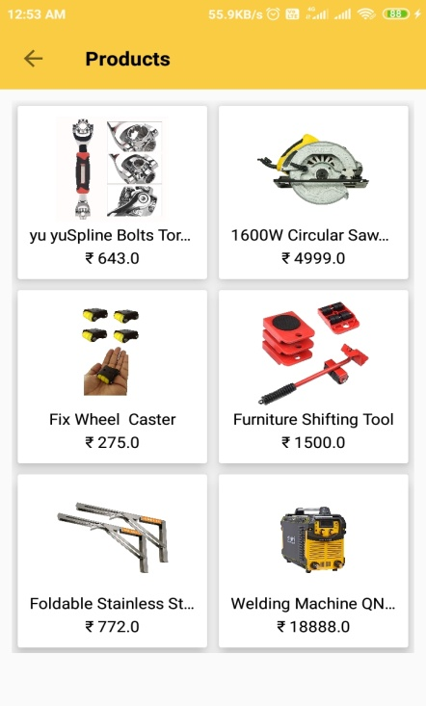 | 1. Set screen name on the toolbar | Done

6 | 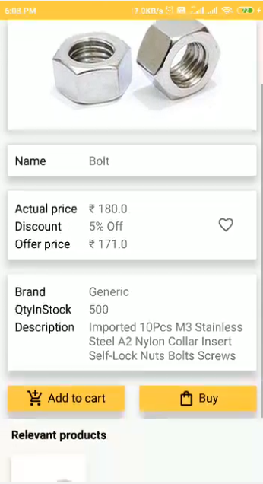 | Product Detail Screen | 1. No counter on cart icon 2. No screen name 3. Differentiate both buttons | 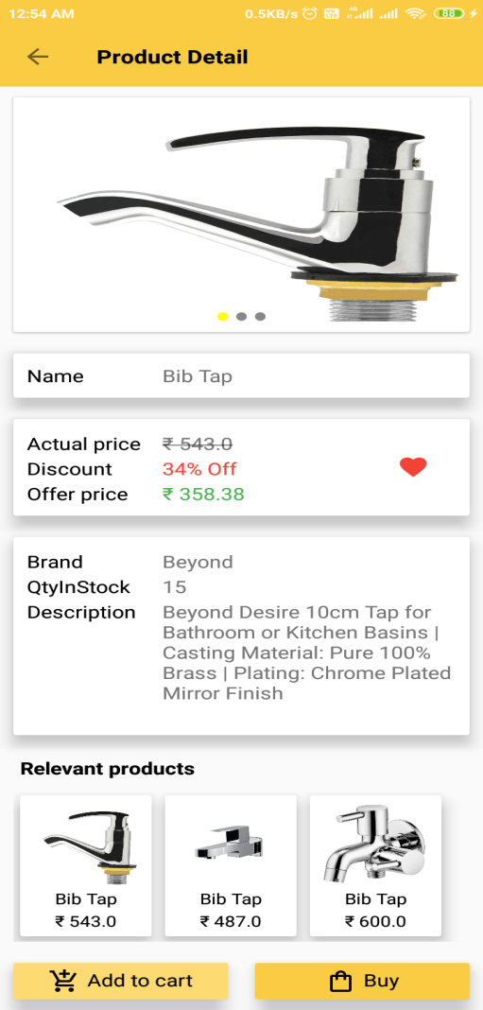 | 1. Change in Add to cart and Buy Buttons. 2. Show screen name on toolabar 3. Changes in both colour of both buttons. | Done

7 | 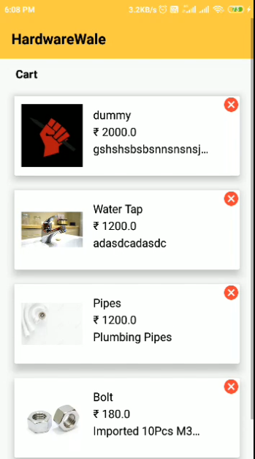 | Cart Screen | 1. No screen name | 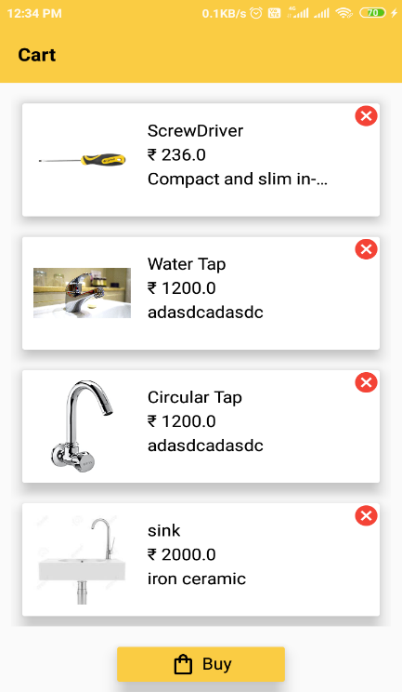 | 1. Show screen name on toolbar | Done

8 | 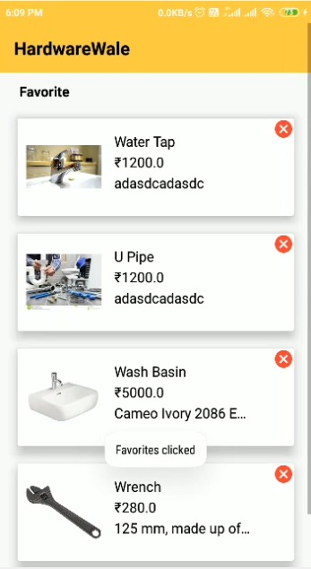 | Favourite Screen | 1. No screen name | 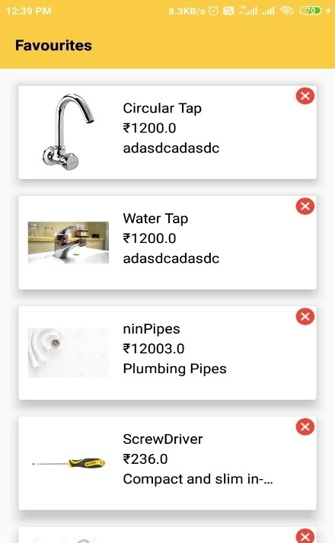 | 1. Show screen name on toolbar | Done

9 | 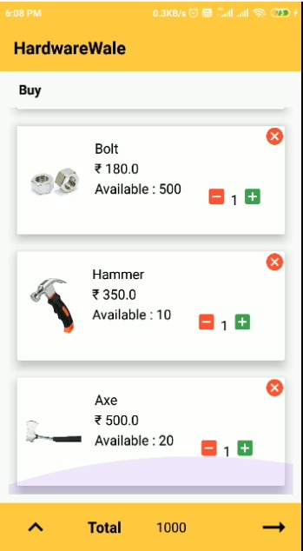 | Buy Screen | 1. No screen name on top of the screen 2. Need of more UI improvements | 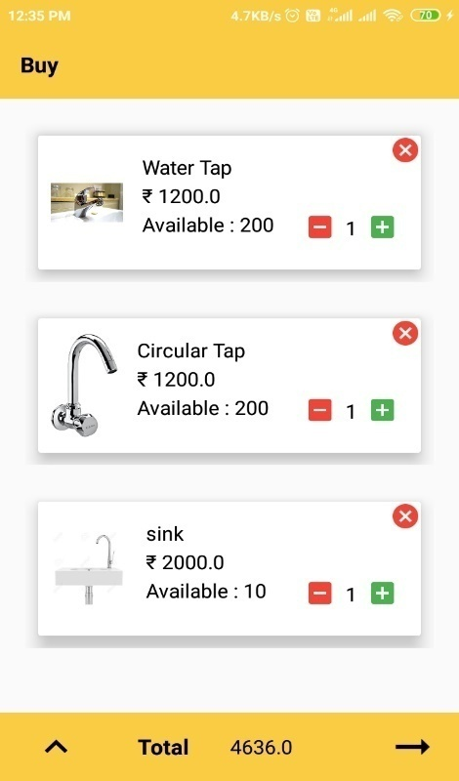 | 1. Show screen name on toolbar | Inprogress
10 | 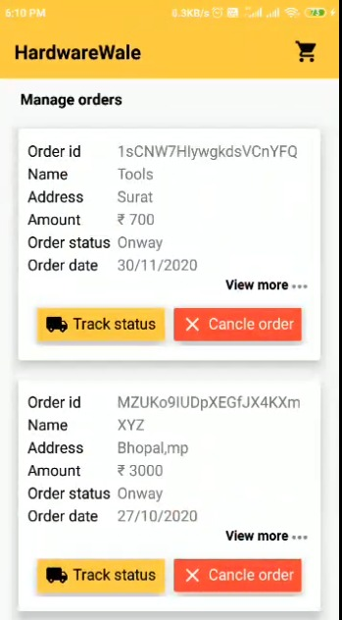 | Manage Order Screen | 1. No screen name | 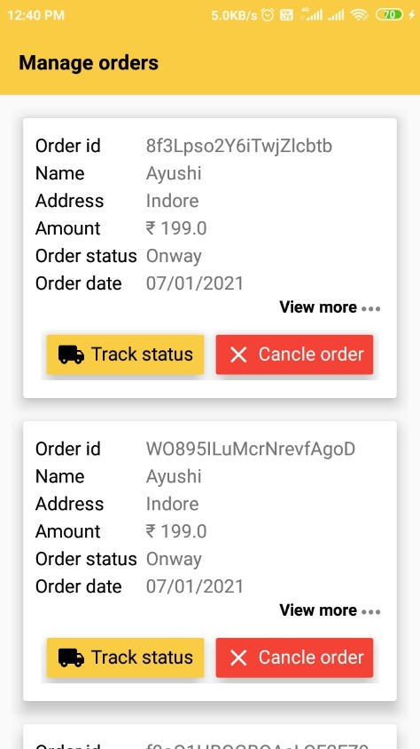 | 1. Show screen name on top of the screen 2.Remove cart icon. | Done

11 | 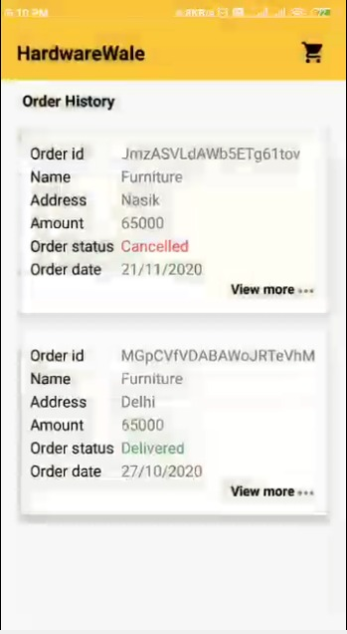 | Order History Screen | 1. No screen name 2. No need of cart icon here | 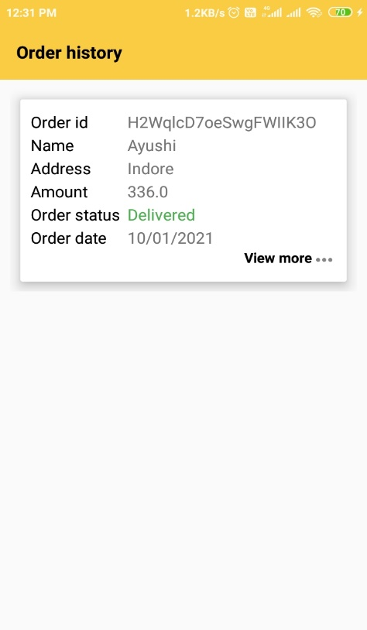 | 1.Show screen name on toolbar 2. Remove cart icon. | Done

12 | 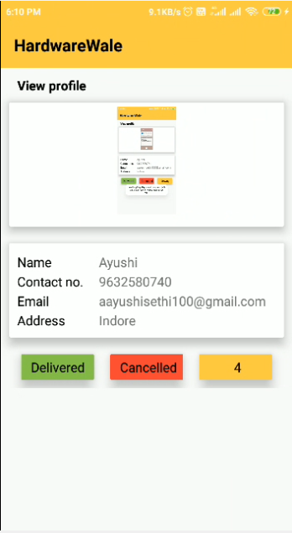 | View Profile Screen | 1. No screen name 2. Change in shape of buttons | 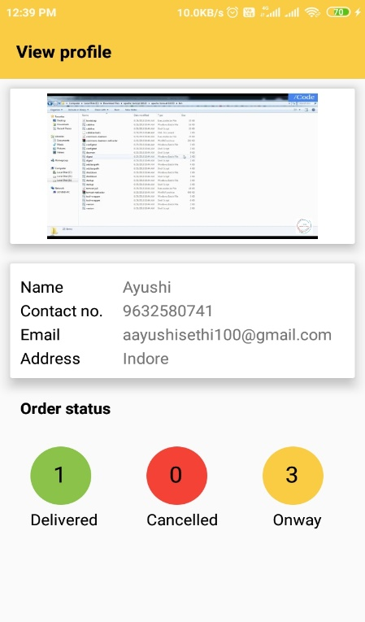 | 1. Show screen name on toolbar 2. Button Shape Changed | Done

13 | 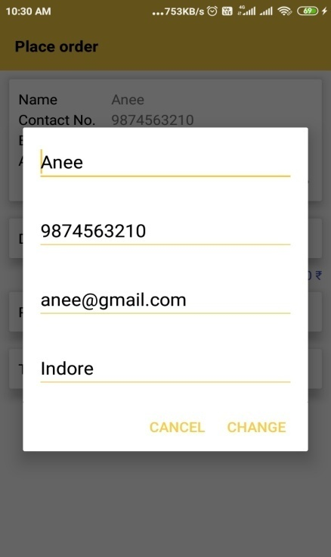 | Change Detail Dialog | 1. No title of dialog 2. No difference between Cancel & Change buttons | 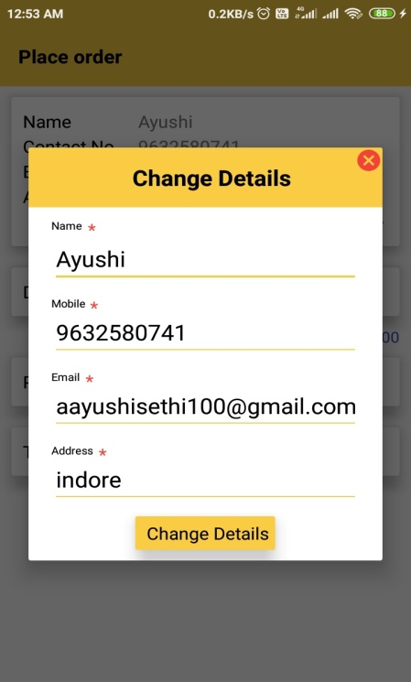 | 1. Change in design layout Add Cancel icon and Change button 2. Show title of dialog. | Done

14 | 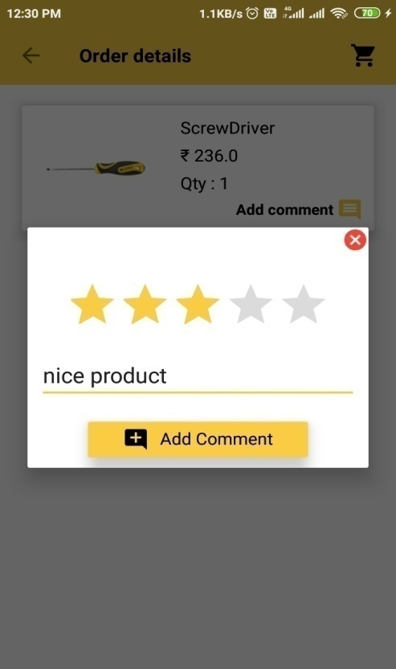 | Add Comment Dialog | 1. No title of dialog | 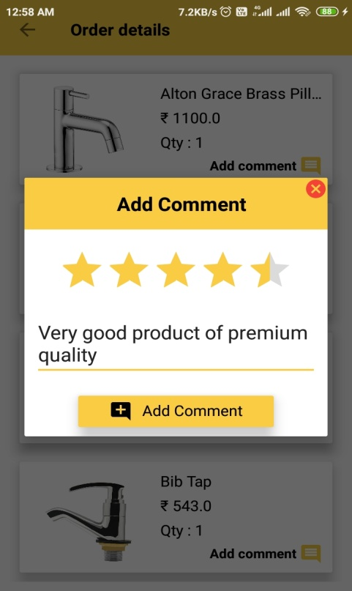 | 1. Add title of dialog | Done

15 | 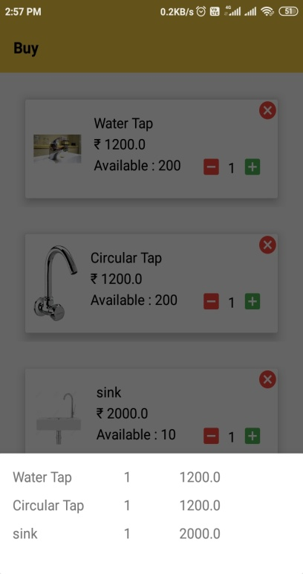 | View Bill Bottom Sheet | 1. No title on Bottom Sheet 2. No Lables of product name, quantity, price 3. No rupees symbol in price | 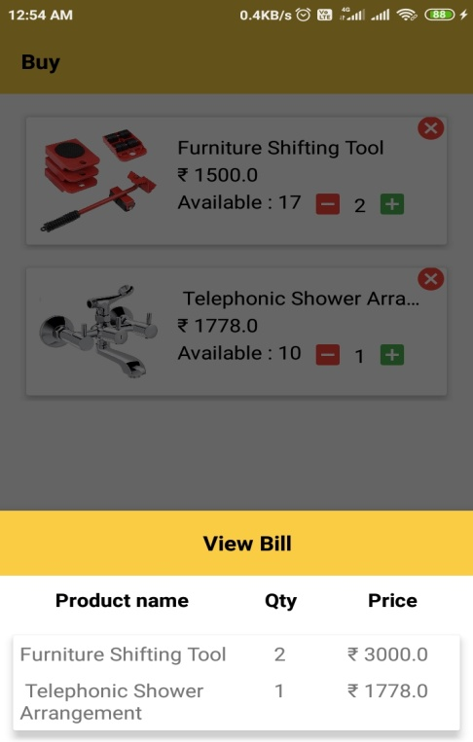 | 1. Add title of Sheet. 2. Add labels of product name, quantity, and price 3. Add rupees symbol in price | Done

16 | 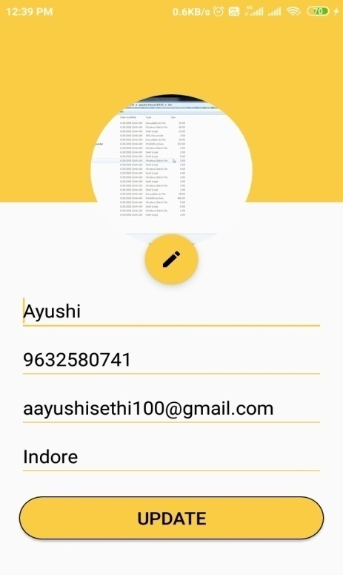 | Update Profile Screen | 1. No mandatory fields show 2. No screen name | 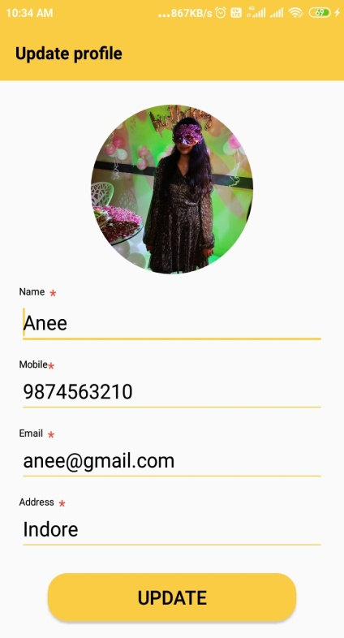 | 1. Show screen name on toolbar 2.Show mandatory icon for every fields | Done

17 | 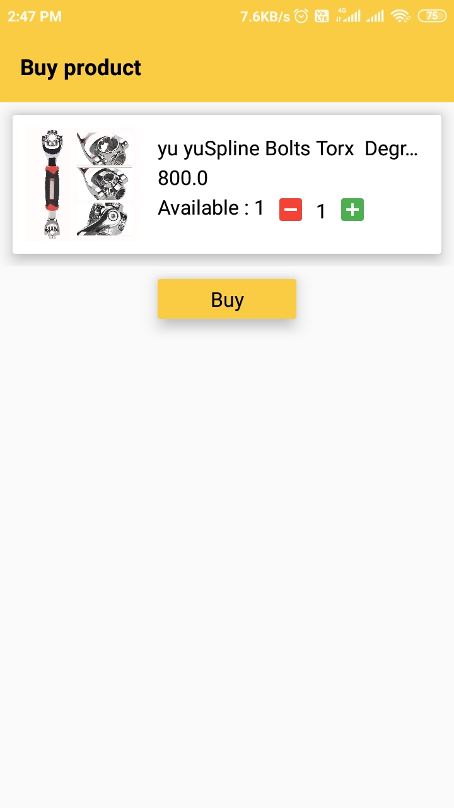 | Buy Product Screen | 1. Need of more UI improvments | Work in Progress | 1. Need of more UI improvments | Inprogress

